Sheet1


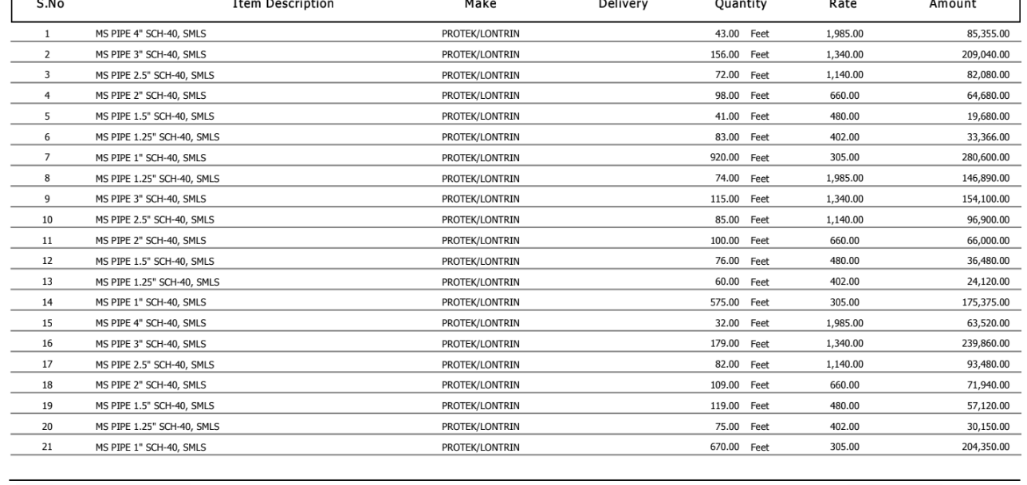

M/S Saeed Sons |  |  |  |  | 5-Dec-23

PO # 136
Att: Mr. Sheeraz

PURCHASE ORDER

Supply of M.S Pipe for the project (Daraz Office NASTP Building Karachi)
S No. | D e s c r i p t i o n | Qty | Unit | Rate | Amount
1 | M.S Pipe 3" | 20 | Rft | 1,340 | 26,800
2 | M.S Pipe 2-1/2" | 40 | Rft | 1,140 | 45,600
3 | M.S Pipe 2" | 60 | Rft | 660 | 39,600
4 | M.S Pipe 1-1/2" | 80 | Rft | 480 | 38,400
5 | M.S Pipe 1-1/4" | 160 | Rft | 402 | 64,320
6 | M.S Pipe 1" | 300 | Rft | 305 | 91,500
 |  | TOTAL: |  |  | 306,220

Note: Above PO is subject to approval from the consultant.

for PIONEER ENGINEERING SERVICES

